Sheet1
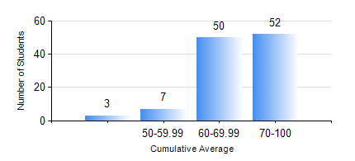
 |  |  | KWAME NKRUMAH UNIVERSITY OF SCIENCE AND TECHNOLOGY, KUMASI Department of Chemical Engineering

 |  |  | BSC. CHEMICAL ENG.

 |  |  | COMPREHENSIVE RECORD OF EXAMINATION RESULTS

 |  |  | RESULTS OF YEAR 4 SECOND SEMESTER, 2021/2022 ACADEMIC YEAR

 | Sn | Course Code |  | Course Name | Credit Hours | Min. Mark | Max. Mark | Avg. Mark | Std. Dev. | No. Passed | No. Trailed | No. (Df) | No. (I) | No. (I*) | No. Tagged(I,I*,Df) | Total
 | 1. | CHE 452 |  | FIELD TRIP AND INDUSTRIAL ATTACHMENT | 2 | 50 | 88 | 80 | 4.85 | 112 | 0 | 0 | 0 | 0 | 0 | 112
 | 2. | CHE 454 |  | CHEMICAL PLANT DESIGN PROJECT II | 5 | 53 | 85 | 72 | 6.17 | 112 | 0 | 0 | 0 | 0 | 0 | 112
 | 3. | CHE 456 |  | PROCESS CONTROL AND SIMULATION | 3 | 40 | 88 | 59 | 9.37 | 112 | 0 | 0 | 0 | 0 | 0 | 112
 | 4. | CHE 458 |  | ENTREPRENEURSHIP AND BUSINESS DEVELOPMENT | 3 | 63 | 100 | 90 | 7.01 | 112 | 0 | 0 | 0 | 0 | 0 | 112
 | 5. | CHE 466 |  | PULP AND PAPER TECHNOLOGY | 2 | 46 | 87 | 65 | 10.21 | 54 | 0 | 0 | 0 | 0 | 0 | 54
 | 6. | CHE 468 |  | ENVIRONMENTAL ENG. TECHNOLOGY | 2 | 57 | 87 | 75 | 7.55 | 54 | 0 | 0 | 0 | 0 | 0 | 54
 | 7. | CHE 470 |  | PHARMACEUTICAL TECHNOLOGY | 2 | 63 | 90 | 80 | 5.8 | 58 | 0 | 0 | 0 | 0 | 0 | 58
 | 8. | PCE 464 |  | REFINING PROCESSES TECHNOLOGY | 2 | 50 | 88 | 74 | 9.79 | 58 | 0 | 0 | 0 | 0 | 0 | 58

